Sheet1
NLP Overview
1 | Traditional NLP
 | Modern NLP
2
 | Text Generation
 | Speech to Text
 |  | Alexa
 |  | Google Voice

 | Text to Speech
 | question-answering system

3 | text summerization

4 | Conventional Libraries

 |  | NLTK
 |  | Textblob
 |  | Standford NLP
 |  | Spacy

 | All they almost do similar way . Only function name might be different .

5 | RNN
 |  | LSTM
 |  | GRU
 |  | Peephole

 | Encoder Decoder
 |  | Bi-RNN
 |  | Stacked RNN

 | Self Attention with encoder-decoder
 |  | Attention is all you need - Research Paper

 | BERT
 | ELMO
 | ALBERT
 | DISTILLED BERT
 | GPT-n

6 | Recommendation System
 |  | Image + text
 |  | Image

7 | Advanced NLP - Since Last 3 years

 | Tranditional NLP - Helping hand for data preprocessing .

8 | NLTK Libraries

 |  | Lowercase
 |  | Remove numeric numbers
 |  | Regular Expression - reg ex
 |  |  | import re
 |  |  | \s
 |  |  | \S
 |  |  | * ?
 |  |  | [a-z 0-9]

9 | - OCR
 |  | Optical Character recognition

 | Amazon Textract

 |  | - blurred image
 |  | - handwritten
 |  | - Amazon Textract
 |  |  | - $600-$700 / month
 |  |  | - 2nd rank
 |  |  | - 93% correct
 |  |  | - Noise Data
 |  |  | - Use this API

 |  | - PDF Files

 | Treasuract OCR |  | may not work well
 | Keras OCR

 | Easy OCR |  | No

 | John Snow LABs |  | 98% accurate |  | 1st Rank

 |  | Spark OCR |  | AWS Textract
 |  | 98% |  | 93%

PDF
AWS Textract

 |  |  |  |  |  | Regex

 |  | - Regular expression
 |  | - Remove punctuation mark
 |  |  | String punctuation
 |  | - Remove stopwords

NLP Very Basic

1 | NLTK is a Library
 |  | Hard coded Library , not AI related .

2 | Stemming

 |  | - May not result in actual word
 |  | - When grammer is not required use stemming .

 | Studied
 | Study |  | Stud
 | Studing
 | Studies

3 | Lammetization

 |  | - Valid words
 |  | - grammer automatically comes

 | Studied
 | Study |  | Study
 | Studing
 | Studies

4 | Part of Speech [ POS Tagging ]

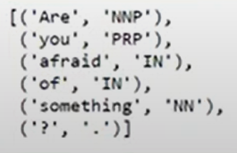
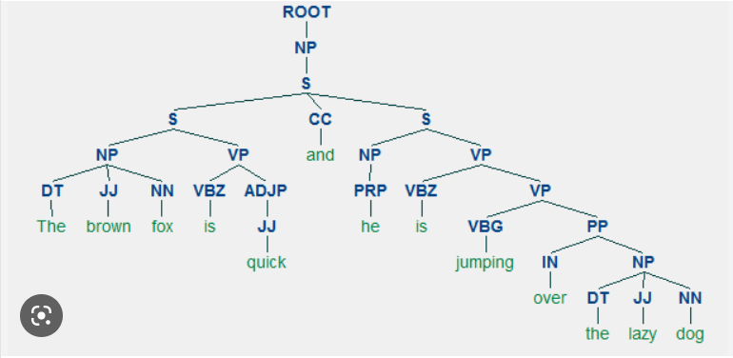

5 | Chunking

 |  | Unstructured text -> Structure

 |  | Libraries like Spacy & Textblob are best for chunking .

6 | NER ( Named Entity Recognition )

 | - Classify entities like
 |  | person
 |  | organization
 |  | event
 |  | places

 | - Based on hard coded & rule based .

 |  | Accuracy might not be > 45%
 |  | So use advanced once .

7 | Regex
 |  | - No need to remember any syntax
 |  | - always google or stackoverflow
 |  | -
 |  |  | import re

 |  | - Do not memorize regex

 |  |  | re.search()
 |  |  | re.match()
 |  |  | re.findall()

 |  |  | Text Normalization
 |  |  | Word count
 |  |  | frequency distribution

8 | https://www.nltk.org/book/

9 | TextBlob

10 | Spacy Library

 | - Open source Library
 | - Not that much useful

 |  | pip install spacy
 |  | conda install -c conda-forge spacy
 | - example
 |  | jupyter notebook
 | -
 |  | https://spacy.io/

11 | - Compared to NLTK
 |  | Spacy & Standford NLP are better .

 | - NLTK & Spacy will be useful for those who have no idea about ML & DL
 | - But in Real world it's not at all useful
 | - So NLTK & Spacy are NOT reccomended .

Example
 | 01.Basic_NLP_Programs/01.NLP_text_analytics.ipynb
 | 01.Basic_NLP_Programs/02.Text Processing in NLP.ipynb
 | 01.Basic_NLP_Programs/03.TextBlob.ipynb
 | https://github.com/Jateendra/NLP_SectionWise_Code_HandsOn

